Datailed Inquiry Information
Table Index:

Created in PRS3

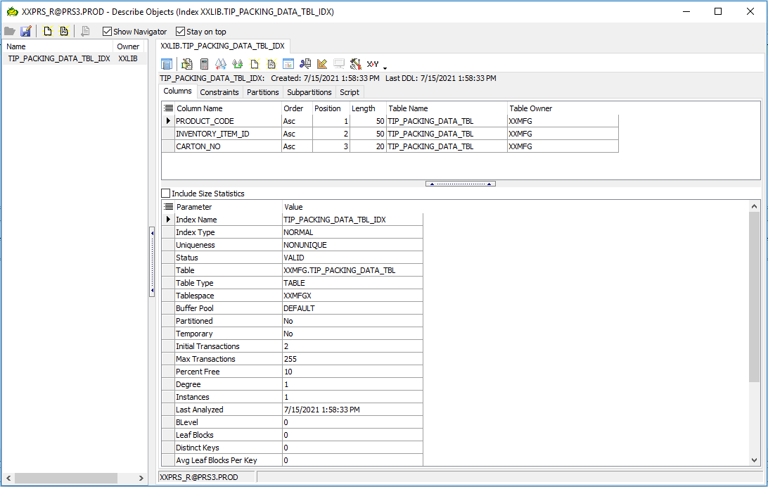
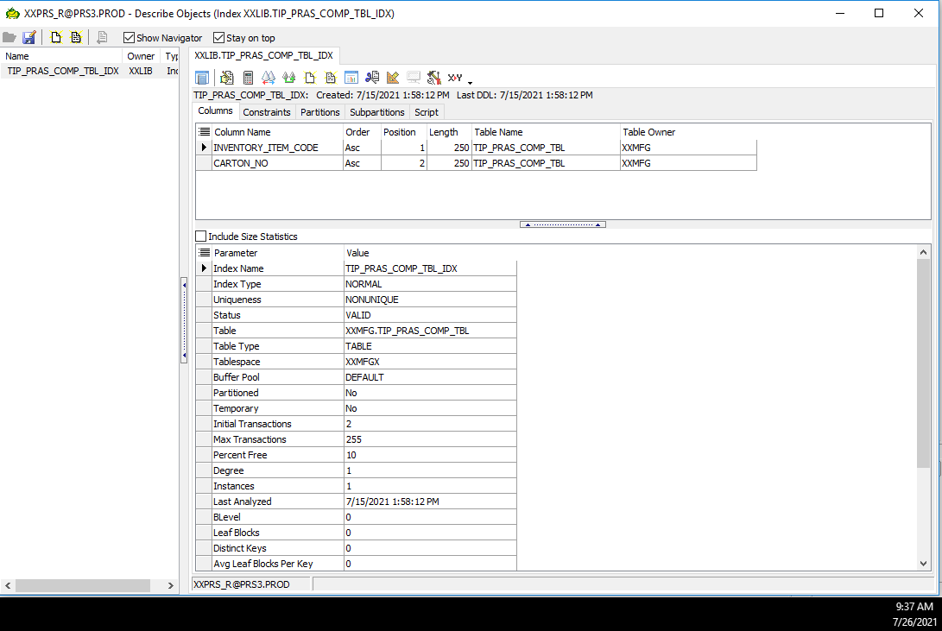

 | Need to DROP the index and recreate under XXMFG

 | DROP INDEX SCRIPT

 | DROP INDEX XXLIB.TIP_PACKING_DATA_TBL_IDX
 | DROP INDEX XXLIB.TIP_PRAS_COMP_TBL_IDX

 | Recreate of new Index with correct owner

